Sheet1
Sr no | Project | System | Priority | Comments
1 | Flexline DAJ customer | LMS | P1 | - Company KYC - Person KYC - Financial data collection - Legal signing - Bank Addition - ACH Penny testing? - consent recording - remaining tasks - SCF-flexline cross product functions
2 | Flexline DAJ sales | LMS | P1/P2 | - Lead data entry - legal - hubspot-admin intgration for flexline pipeline - sales shouldn't be given access to admin pages at all - pricing data workflow through hubspot?
3 | Loan origination | LMS | P0 | - EMI calculator for the customer based on his/her pricing - Draw request - application result? - draw level policies - sch 1 doc generation - sch 1 e-sign -2FA -OTP based verification on every draw (phone verification during onboarding)
4 | Advances | Admin | P0 | - LMS to Admin draw request data flow - Plutus config for advances - Admin to LMS advances data flow
5 | Statement Generation and Repayment Structure | LMS | P0 | - Monthly Draw Day statement generator - Rules for EMI calculation and due date selection - On repayment, limit adjustment - Overdue payment handling - ACH fail/reverse - manual wire transfer functionality (we need to record payment and adjust limit) - draws to be blocked for future - Short payment handling? - early payment handling - readjusting fees and EMI calculations
6 | ACH auto debit | LMS | P0/P1 | - Auto ACH pull - ACH pull failure handling - ACH setup
7 | Limit and blacklisting controls | Admin | P1 | - admin to be source of truth for limits - auto suspension on ACH pull fail (to check if LMS supports this) - auto suspension data to be stored in DB - blacklisting/suspension through admin to be reflected on LMS - unsuspension to be done through admin and to be reflected on LMS
8 | Entity level policies on admin | Admin | P1 | - underwriting policies - bank verification
9 | Transaction level policies | LMS | P1 | LMS to handle these policies
10 | Comms | Fyno+Admin/LMS | P2 | https://docs.google.com/document/d/1y2JQRabO4c1fDuvgZwe6wr56wTfFGM461QEIYibtmUI/edit?usp=drive_link
11 | Pre-eligibility soft credit check limit + upfront pricing | Website/LMS/DAJ | P2 | 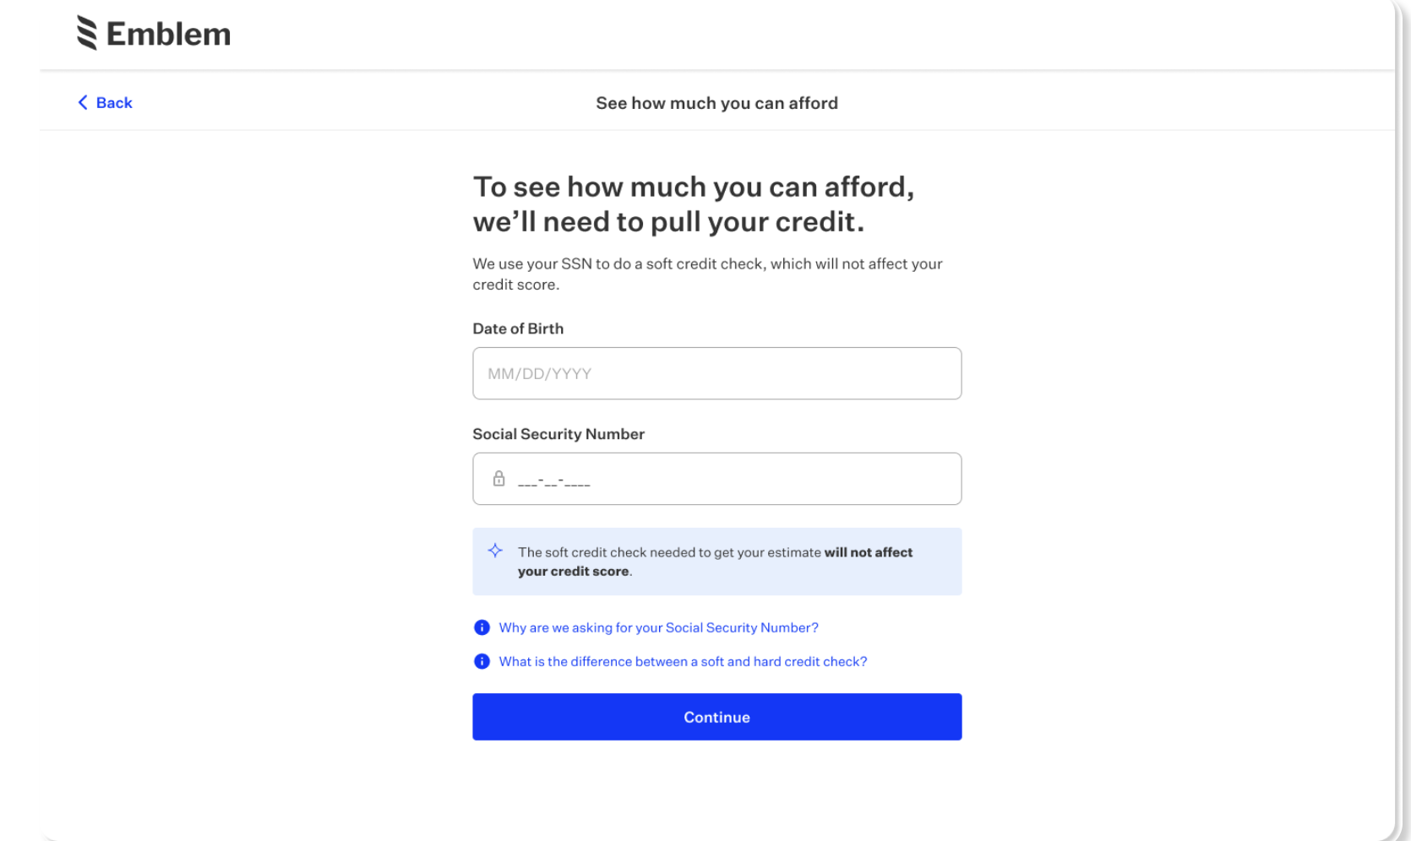
12 | Marketing comms |  |  | - to drive utilisation for the product
13 | Vendor payments through Drip |  |  | - utility bill payments - CMA/CGA/DP world bill payments

Competitors
Sr no | Vendor
1 | LendFoundry
2 | LoanPro | 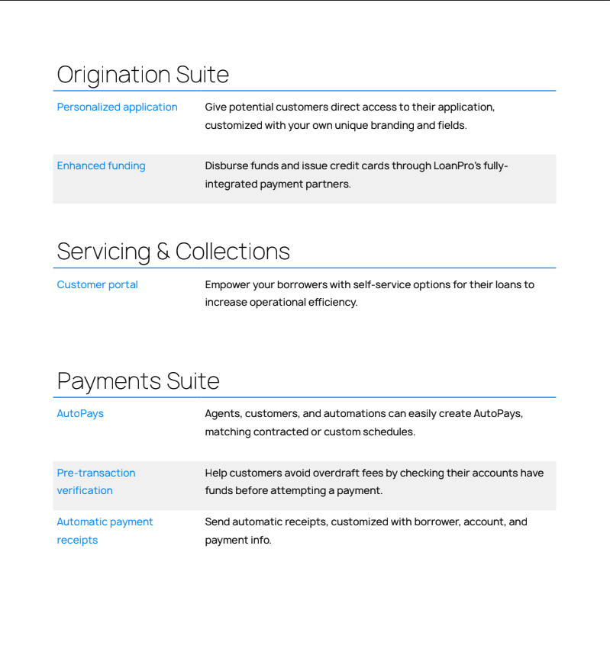
3 | Task Suite
4 | Canopy
5 | Corecard
6

